SDLC example
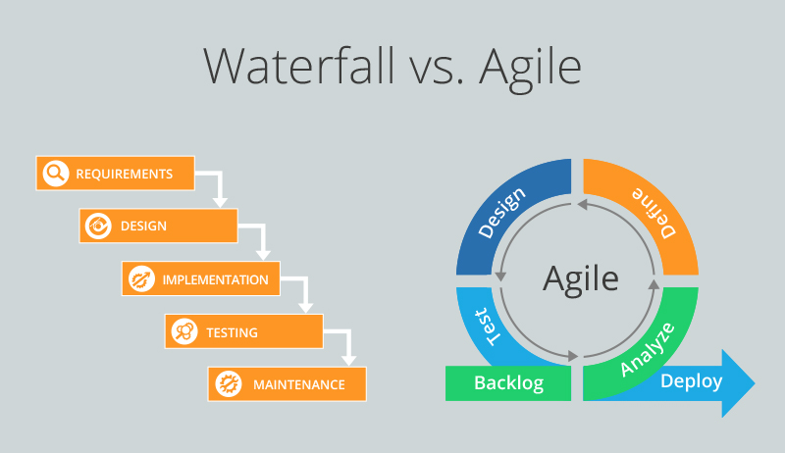
Planning | Collecting requirements from client, user etc. | Client want different animation states on background
|
Design | Analysing how to create features, functions. Choise of what frameworks etc. | Team select PIXI.js and other libraries for this project
|
Implementation | Team codes the product depending on roadmap | Team of Front-end developers and designers writing interface
|
Testing | QA team and team of developers checking all areas of the app to detect any security flaws, visual issues | Team testing all features, creating check-lists
|
Deployment | Release the final version of product, when all bug fixes are satisfied | Product going to release
|
Maintain | Preparing fixes and adjustments, depending on feedback and reports. Creating new features, updates | Collecting feedback from users or client

